1. Title Page
[Instacart Grocery Basket Analysis
]

Project Name: Instacrt Grocery Basket Analysis
Date: August 26, 2024
Analyst Name: Kendra Jackson

Contents:
Population Flow
Consistency checks
Wrangling steps
Column derivations
Visualizations
Recommendations

Data Source
“The Instacart Online Grocery Shopping Dataset 2017”, Accessed from www.instacart.com/datasets/grocery-shopping-2017 via Kaggle on [date]. | 10-Aug-24
Customer data and the “prices” column in the products data set were fabricated for the purpose of this course.

2. Population Flow
Title page

Population flow

Exclusion flag
Condition: max_order < 5
Obervations to be removed: 1, 440, 295
Final total count of order_products_all: 30,964,594

Orders_products_combined
Orders_products_merged
Orders_products_all

Total: 32,434,489
Total: 32,404,856
Total: 32,404,859

1.) The grey boxes in the first row of the population flow represent the original data sets as they were when you downloaded them. In the Total fields you need to add the count of the rows when you imported the data set into Jupyter.
2.) The second row of boxes (coloured) represents the data sets after you manipulated them, e.g., removed missing values and duplicates. In the Total fields you need to add the count of the rows after conducting these operations. This offers a visual oveview of how the data flows throughout the data consistency checks.
3.) The third row, where also the arrows are coloured, represents the merges you performed between the datasets. In the Total fields you need to add the count of the rows in the merged datasets, so that you end up with the final dataset (in the red box). Keep in mind the final dataset should be without exclusions (based on the exclusion flag).

3. Consistency checks
 |  |  |  | Title page
Consistency checks

Dataset | Missing values | Missing values treatment | Duplicates
orders | days_since_prior_order (206,209 missing values) | These missing were made by customers who had no previous order history (it was their first order). A flag, represented as a new column where the value was True/False was created to denote wether an instance was a customer's first order or not | No dupliactes were found. Exported datafram as orders_checked.
products | product_name (16 missing values) | Missing values were filtered out to create a clean dataframe (df_prods_clean) | 5 dupliactes were found and dropped (df_prods_clean_no_dups - exported to new dataframe as products_checked)
orders_products_prior | None | N/A | No dupliactes were found
customers | first_name (11,259 missing values) | First names and last names should be removed due to PII risk. Date joined also removed as can link with an individual but is also unnecessary for this analysis | No dupliactes were found. Combined with ords_prods_merge and exported as df_merge.

4. Wrangling steps
 |  |  |  |  | Title page
Wrangling steps

Data Set | Columns dropped | Columns renamed | Columns' type changed | Comment/Reason
Orders | eval_set |  |  | not necessary for analysis
Orders |  | orders_dow |  | ambiguous column name, changed to weekday_of_order
Orders |  |  | order_id | changed to string
Department |  | index |  | transposed dataset and added an index and new header
Customers |  |  | user_id | changed to string due to mixed data type, later changed to numeric to complete final dataframe join with customers and ords_prods_merge dataframes.
Customers |  | First Name |  | changed to first_name for consistency
Customers |  | Surnam |  | changed to last_name for consistency
Customers |  | STATE |  | changed to state for consistency
Customers |  | n_dependants |  | changed to number_of_dependants for consistency
Customers |  | fam_status |  | changed to marital_status for consistency
orders_products_all | first_name |  |  | Dropped for PII concern
orders_products_all | last_name |  |  | Dropped for PII concern
orders_products_all | date_joined |  |  | Unnecessary and can be linked to customer (PII concern)

5. Column derivations
 |  |  |  |  | Title page

Column derivations and aggregations

Dataset | New column | Column/s it was derived from | Conditions | Code
final_orders_products_merged.pkl | price_range | prices | If price <=5, then low-range product. If else price > 5 and <= 15, then mid-range product. If else price > 15, then high-range product. | if row['prices'] <= 5: return 'Low-range product' elif (row['prices'] > 5) and (row['prices'] <= 15): return 'Mid-range product' elif row['prices'] > 15: return 'High range' else: return 'Not enough data'
 | busiest_day | weekday_of_order | If day 0 then busiest day. If day 4 then least busy day. If else, then regularly busy. | result = [] for value in ords_prods_merge["weekday_of_order"]: if value == 0: result.append("Busiest day") elif value == 4: result.append("Least busy") else: result.append("Regularly busy")
 | busiest_days | weekday_of_order | If day 0 or 1 then busiest days. If day 4 or 3 then slowest days. If else, then regularly busy days. | result_2 = [] for value in ords_prods_merge["weekday_of_order"]: if value == 0 or value == 1: result_2.append("Busiest days") elif value == 4 or value == 3: result_2.append("Slowest days") else: result_2.append("Average days")
 | busiest_day_period | order_hour_of_day | If hour of day < list_quantile[2] then fewest orders. If else hour of day >= list_quantile[2] and <=list_quantile [1] then average orders. If else hour of day >=list_quantile [1] then most orders. | result_3 = [] for value in ords_prods_merge["order_hour_of_day"]: if value in [10, 11, 14, 15, 13, 12, 16, 9]: result_3.append("Most orders") elif value in [23, 6, 0, 1, 5, 2, 4, 3]: result_3.append("Fewest orders") else: result_3.append("Average orders")
ords_prods_merged_derived.pkl | max_order | user_id, order_number | Maximum number of orders | ords_prods_merge['max_order'] = ords_prods_merge.groupby(['user_id'])['order_number'].transform('max')
 | loyalty_flag | max_order | If max_order > 40 then loyal customer. If max order <=40 and > 10 then regular customer. If max order <= 10 then new customer. | ords_prods_merge.loc[ords_prods_merge['max_order'] > 40, 'loyalty_flag'] = 'Loyal customer' ords_prods_merge.loc[(ords_prods_merge['max_order'] <= 40) & (ords_prods_merge['max_order'] > 10), 'loyalty_flag'] = 'Regular customer' ords_prods_merge.loc[ords_prods_merge['max_order'] <= 10, 'loyalty_flag'] = 'New customer'
 | average_spend | user_id, prices | Average prices of products ordered by user | ords_prods_merge['average_spend'] = ords_prods_merge.groupby(['user_id'])['prices'].transform('mean')
 | spender_flag | average_spend | If avg price < 10 then low spender. If avg price >=10 then high spender. | ords_prods_merge.loc[ords_prods_merge['average_spend'] <10, 'spender_flag'] = 'Low spender' ords_prods_merge.loc[ords_prods_merge['average_spend'] >=10, 'spender_flag'] = 'High spender'
 | customer_frequency | user_id, days_since_prior_order | median days since prior order | ords_prods_merge['customer_frequency'] = ords_prods_merge.groupby(['user_id'])['days_since_prior_order'].transform('median')
 | frequency_flag | customer_frequency | If median_days_since_prior_order > 20, then non frequent customer. If median_days_since_prior_order <=20 and >10, then regular customer. If median_days_since_prior_order <=10 then frequent customer. | ords_prods_merge.loc[ords_prods_merge['customer_frequency'] > 20, 'frequency_flag'] = 'Non-frequent customer' ords_prods_merge.loc[(ords_prods_merge['customer_frequency'] > 10) & (ords_prods_merge['customer_frequency'] <= 20), 'frequency_flag'] = 'Regular customer' ords_prods_merge.loc[ords_prods_merge['customer_frequency'] <= 10, 'frequency_flag'] = 'Frequent customer'
ords_prods_cust_merged.pkl --> renamed to orders_products_all | region | state | Northeast=['Maine','New Hampshire','Vermont','Massachusetts','Rhode Island','Connecticut','New York','Pennsylvania','New Jersey'] Midwest=['Wisconsin','Michigan','Illinois','Indiana','Ohio','North Dakota','South Dakota','Nebraska','Kansas','Minnesota','Iowa','Missouri'] South=['Delaware','Maryland','District of Columbia','Virginia','West Virginia','North Carolina','South Carolina','Georgia','Florida','Kentucky', 'Tennessee','Mississippi','Alabama','Oklahoma','Texas','Arkansas','Louisiana'] West=['Idaho','Montana','Wyoming','Nevada','Utah','Colorado','Arizona','New Mexico','Alaska','Washington','Oregon','California','Hawaii'] | df_clean.loc[df_clean['state'].isin(Northeast),'region']='Northeast' df_clean.loc[df_clean['state'].isin(Midwest),'region']='Midwest' df_clean.loc[df_clean['state'].isin(South),'region']='South' df_clean.loc[df_clean['state'].isin(West),'region']='West'
 | activity | max_order | If max_order <5, then activity low. If max_order > = 5, then activity high. | df_clean.loc[df_clean['max_order']<5, 'activity'] = 'low' df_clean.loc[df_clean['max_order']>=5, 'activity'] = 'average_to_high'
 | age_group | age | If age <=25 then young adult. If age <65 and age > 25 then adult. If age >=65 then senior. | df_clean.loc[df_clean['age'] <=25, 'age_group'] = 'Young adult' df_clean.loc[(df_clean['age']<65) & (df_clean['age'] >25), 'age_group']= 'Adult' df_clean.loc[df_clean['age'] >= 65, 'age_group'] = 'Senior'
 | income_group | income | If income <=60000 then low income. If income >60000 and income < 150000 then middle income. If income >=150000 then high income. | df_clean.loc[df_clean['income'] <= 60000, 'income_group'] = 'Low income' df_clean.loc[(df_clean['income']<150000) & (df_clean['income'] >60000), 'income_group']= 'Middle income' df_clean.loc[df_clean['income'] >= 150000, 'income_group'] = 'High income'
 | dependent_group | number_of_dependents | If number of dependents == 0, then no dependents. If number of dependents <= 2 and > 0, then 1-2 dependants. If number of dependants >= 3, then 3+ dependants | df_clean.loc[df_clean['number_of_dependants'] == 0, 'dependant_group'] = 'No dependents' df_clean.loc[(df_clean['number_of_dependants']<=2) & (df_clean['number_of_dependants'] >0), 'dependant_group']= '1-2 dependants' df_clean.loc[df_clean['number_of_dependants'] >= 3, 'dependant_group'] = '3+ dependants'
 | department | department_id | data dictionary from departments_wrangled | 1: 'frozen', 2: 'other', 3: 'bakery', 4: 'produce', 5: 'alcohol', 6: 'international', 7: 'beverages', 8: 'pets', 9: 'dry goods pasta', 10: 'bulk', 11: 'personal care', 12: 'meat seafood', 13: 'pantry', 14: 'breakfast', 15: 'canned goods', 16: 'dairy eggs', 17: 'household', 18: 'babies', 19: 'snacks', 20: 'deli', 21: 'missing'
 | baby_status | department | If any order contains items from dept babies then flag 1 and if else 0 | df['baby_status'] = [1 if x == 'babies' else 0 for x in df['department']] df['baby_status'] = df.groupby(['user_id'])['baby_status'].transform(np.max)
 | pet_status | department | If any order contains items from dept pets then flag 1 and if else 0 | df['pet_status'] = [1 if x == 'pets' else 0 for x in df['department']] df['pet_status']=df.groupby(['user_id'])['pet_status'].transform(np.max)

6. Visualizations
 |  |  |  |  | Title page

Visualisations

The sales team needs to know what the busiest days of the week and hours of the day are (i.e., the days and times with the most orders) in order to schedule ads at times when there are fewer orders.


Number of Orders by Day of Week |  |  |  | Prices by Hour of Day


 | Legend
 | # | Day
 | 0 | Saturday
 | 1 | Sunday
 | 2 | Monday
 | 3 | Tuesday
 | 4 | Wednesday
 | 5 | Thursday
 | 6 | Friday

 | The busiest dats of the week are Saturday and Sunday. The busiest hours of the dat are between 8 am and 4 pm. The least busy day is Wednesday. The slowest times are between 2 am and 5 am.

They also want to know whether there are particular times of the day when people spend the most money, as this might inform the type of products they advertise at these times

Prices by Order hour of day placed
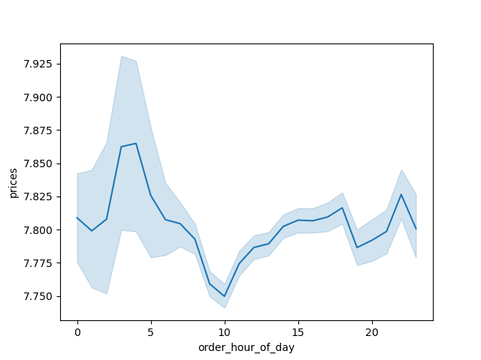

 | People seem to spend the most money during the morning and evening. The peak average price is before 5am.

Are there certain types of products that are more popular than others? The marketing and sales teams want to know which departments have the highest frequency of product orders.

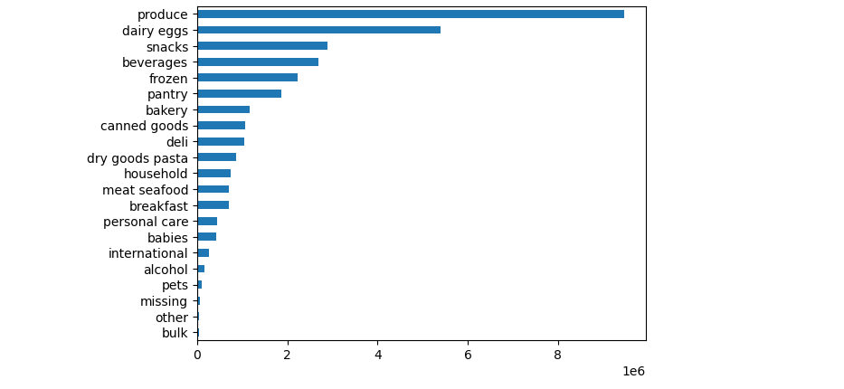
 |  | The top 5 products are produce, dairy eggs, snacks, beverages and frozen foods.

What’s the distribution among users in regards to their brand loyalty (i.e., how often do they return to Instacart)?

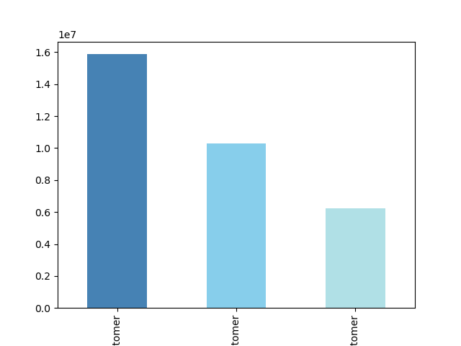

 | There are more regular customers than loyal customers according to the data. The lowest customer type is "new customers".

 | Legend
 | Color | Type of Customer
 | Dark Blue | Regular
 | Blue | Loyal
 | Light Blue | New

 | Bottom of graph label: Customer

Are there differences in ordering habits based on a customer’s loyalty status?

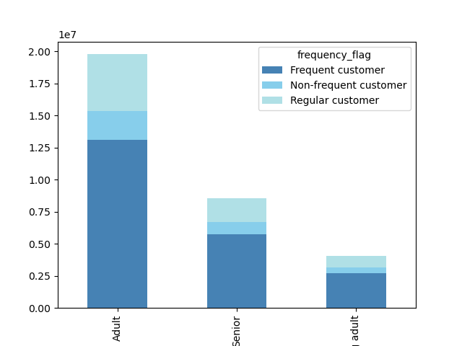
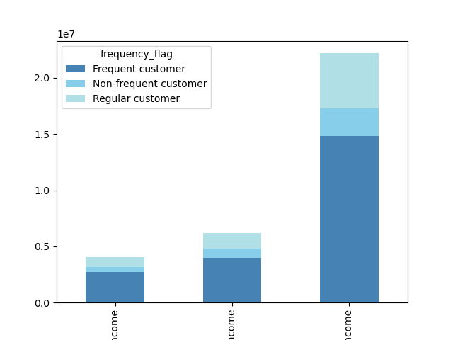

 | Frequent or loyal customers are typically adults. Non-frequent or non-loyal customers are typically young adults. Most frequent customers tend to be those who have middle income. Loyal customers do not tend to purchase as much as regular customers.
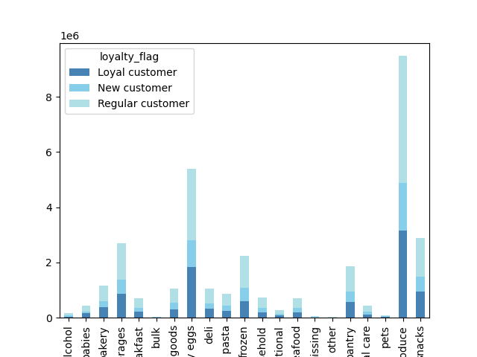

Bottom of graph labels from left to right: Adult, Senior, Young Adult |  |  | Bottom of graph labels from left to right: high income, low income, middle income

Are there differences in ordering habits based on a customer’s region?
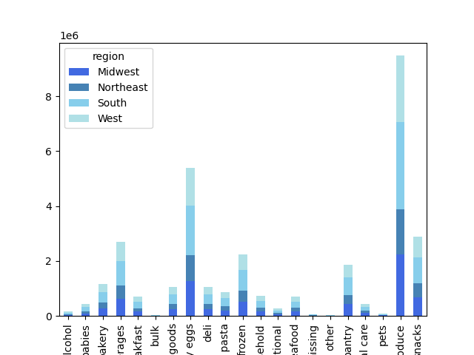
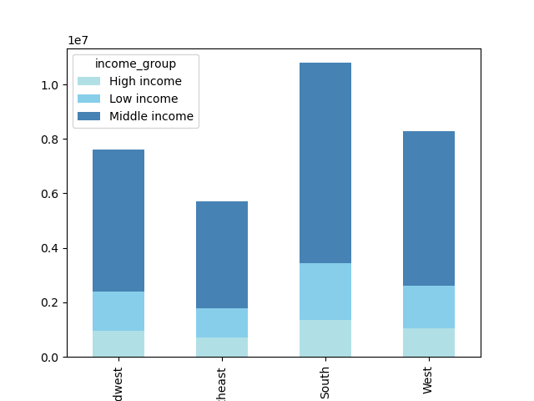
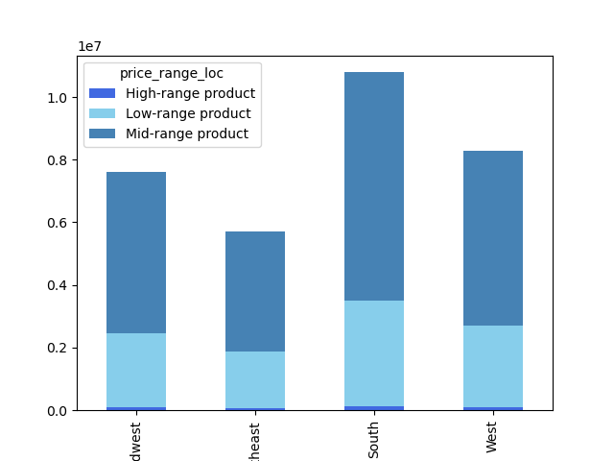

 |  | From left to right (for both graphs):
 |  | Midwest
 |  | Northeast
 |  | South
 |  | West

Each region has similar distributions for their respective price ranges of products. The south has the most amount of people shopping while the Northeast has the least. Each region purchases the most mid-ranged products. Additionally each region similarily does not purchase high-ranged products often. Produce is popular with each region as well as dairy/ eggs. Pets, bulk, alcohol, and baby products are not popular within any region.

Is there a connection between age and family status in terms of ordering habits?

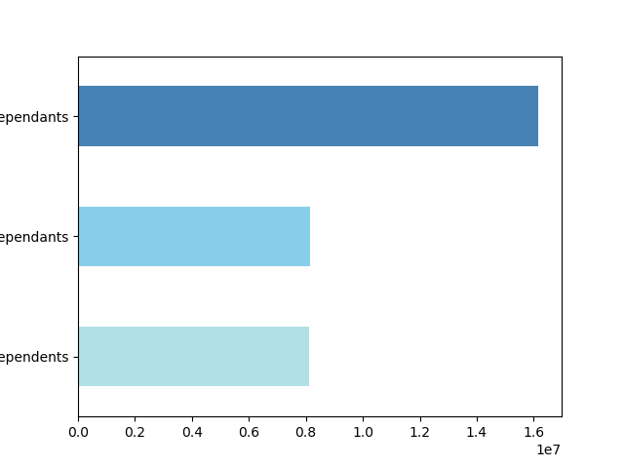

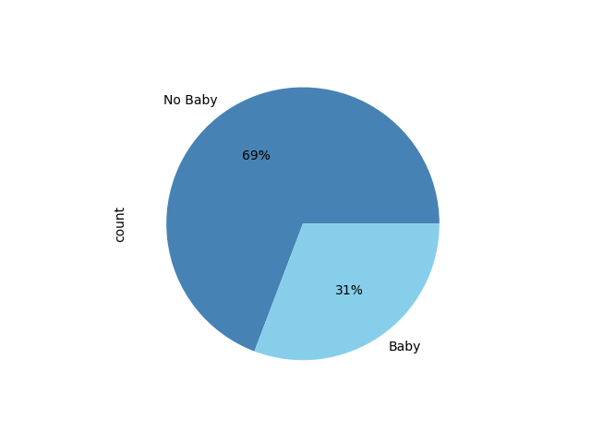

 | From left to right: 1-2 dependants, 3+ dependants, no dependants. | Most individuals shopping with instacart have 1-2 dependants, these customers may purchase more or may have more familial focused purchases. |  | Most of instacarts shoppers are not purchasing items within the baby department.

There is no correlation betweem age and the number of dependents.

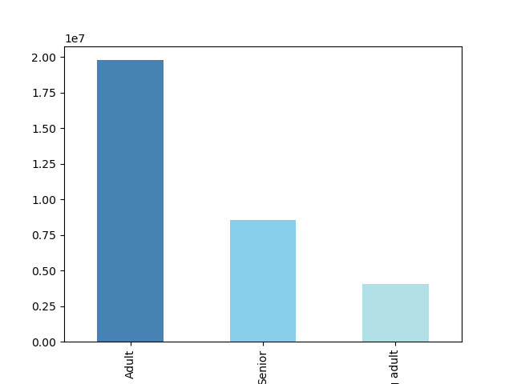

There is a positive correlation between age and income. This scatterplot depicts the relationship between between age and spending power (income) of instacart customers. Based on the scatterplot, there is a large concetration of customers across all ages that earns up to 200,000 (USD). Individuals aged 40+ have a larger concentration of individuals making over 200,000 USD; these customers may spend more due to their increase in funds. | Most of Instacart customers are adults.

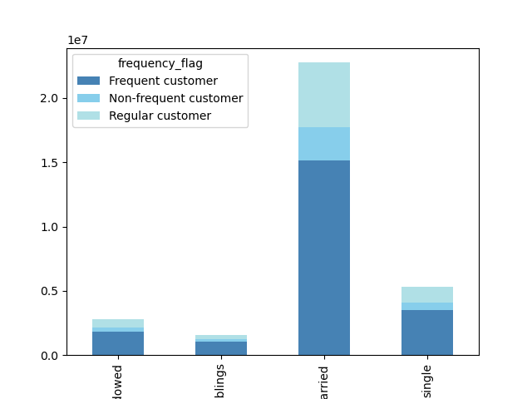

From left to right (graph on left):
Divorced/Widowed
Living with parents/siblings
Married
Single

Most of Instacart's frequent, non-frequent, and regular customers are married. Individual's who are single make up the second most common category of customers.

7. Recommendations
 |  | Title page

Recommendations

Question | Answer

What days of the week and hours of the day are busiest? | The busiest days of the week are Saturday and Sunday, between the hours of 8 am and 4 pm. Wednesday is the least busy day and the slowest period is between 2 am and 5 am. Therefore, instacart should schedule ads on Wednesdays between 6 am and 8 am or 5 pm to 10 pm. Scheduling advertisements earlier or later than this period would likely not be beneficial as many individuals sleep within this timeframe.

What times of the day do people spend the most money? | Based on analysis, people seem to spend the most money in the morning. As discovered during analysis, when orders are placed between 3 am - 6 am, this is when people spend the most money. Instacart should consider looking into this more, this seems like an odd time period for a lot of cash revenue. However, it could be that the time period is based off of PST instead of EST so orders placed between 6 am and 9 am are reflecting as 3 am and 6 am.

Are there certain types of products that are more popular than others? | The top 5 products are: produce, dairy and eggs, snacks, beverages, and frozen food. Instacart should consider providing special offers or discounts on these categories to entice people to buy more. Instacart could also consider advertising or promoting some of their less popular products by way of a sale. Bulk, pets, alcohol, babies and international are some of the least popular categories.

What’s the distribution among users in regards to their brand loyalty? | According to the data, there are more regular customers than loyal customers. This means that not many people are choosing to return to instacart for their needs repeatedly. Instacart should consider offering incentives to their loyal customers which may cause other customers, both regular and new to consider becoming loyal to instacart.

Are there differences in ordering habits based on a customer's loyalty status? | Based on analysis, loyal customers tend to not purchase as much as regular customers. This is in part due to the loyal customer base being less than the regular customer base. As stated previously, instacart should incentivize their loyal customers with rewards. Instacart could also consider "buy more get more" campaigns wherein customers receive better discounts when they buy more. Additionally, Instacart's most frequent customers are within the middle income brackets. Instacart should also consider advertising both to low income and high income brackets and could consider introducing and advertising "top shelf" products to the higher income brackets. Adults, are the most common customers at instacart.

Are there differences in ordering habits based on a customer's region? | Regionally, the South has the largest Instacart customer base. Instacart should consider advertising within the other regions to increase their customer base. Majority of the customers in each region buy mid-ranged products. Additionally each region similarly does not purchase high-ranged products often. Produce is popular with each region as well as dairy/ eggs. Pets, bulk, alcohol, and baby products are not popular within any region. Instacart should consider advertising some of these unpopular departments but should also consider incentives for the popular products. If people have an interest in a product or department, it is likely others would be interested too should they be made aware of its existence, therefore instacart should consider advertising some of its incentives, promotions and sales for the popular departments within each region.

Is there a connection between age and family status in terms of ordering habits? | From what the data demonstrates, there is no specific connection between age and family status in terms of ordering habits. There is no correlation between age and the number of dependents. Most individuals shopping with instacart have between 1-2 dependents and are married. There is a positive correlation between age and income, and most instacart shoppers are in the category of adult. Therefore it could be said that there is a slight connection to individuals who shop at instacart being married adults with at least one dependent. Instacart could consider offering promotions to new customers within the senior or young adult group like "dorm-crasher deals" for university students or a seniors day discount on Wednesday which is a slow day. Instacart could also seek to receive feedback from these groups on why they are not using Instacart more often, what barriers there may be, and general room for improvement.

